Test Cases - Funtional
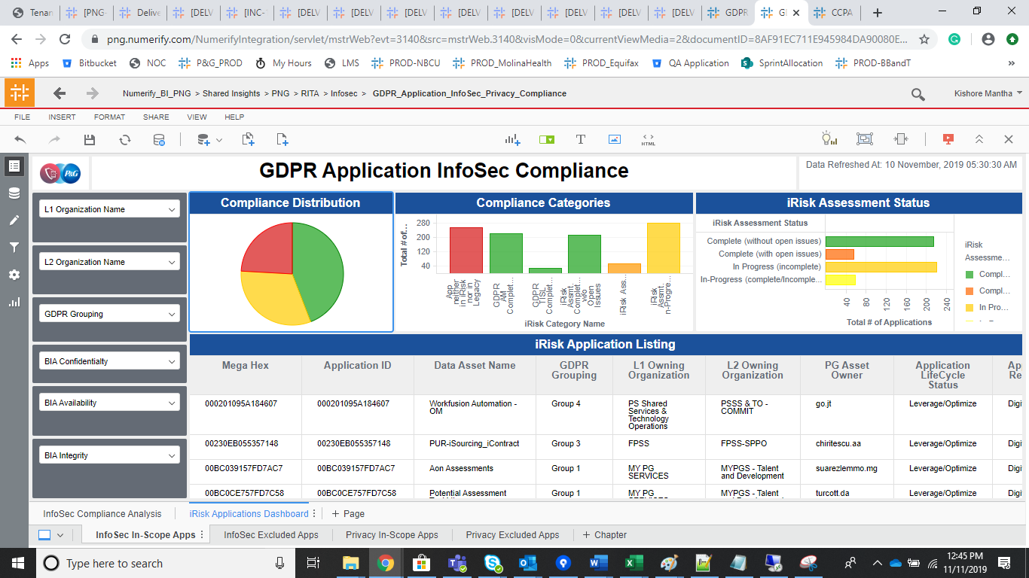
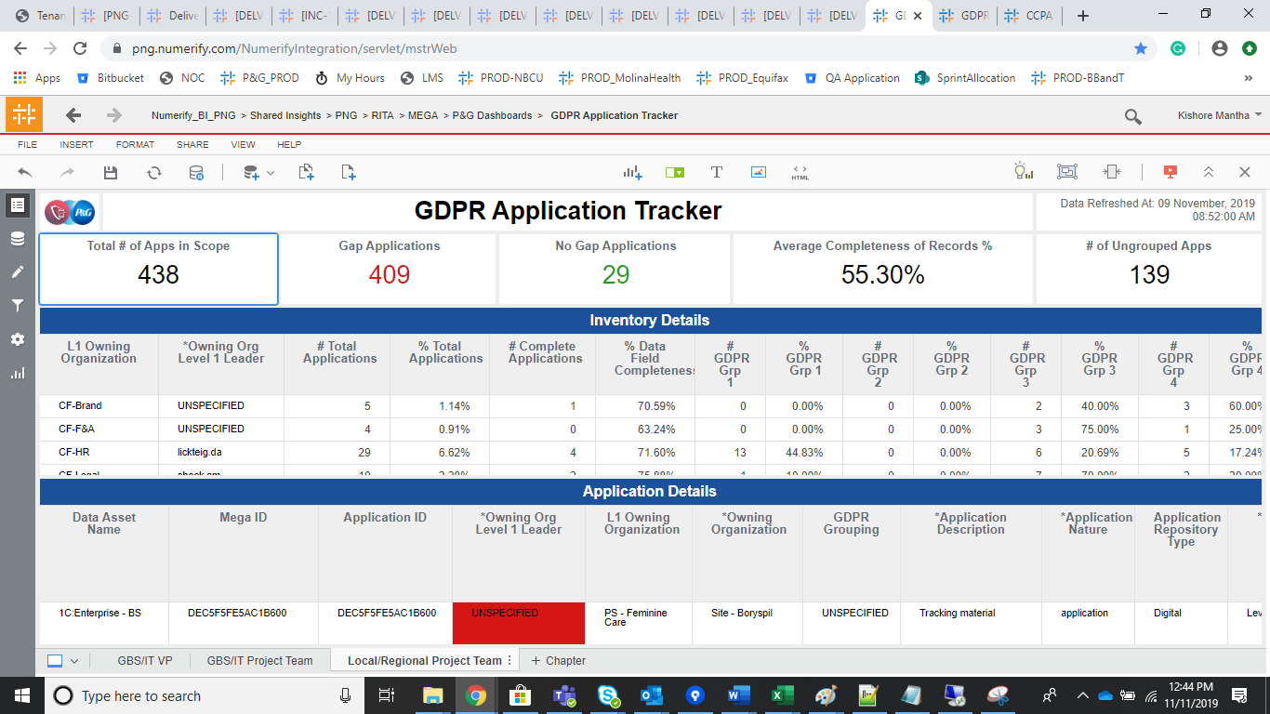
INDEX

TC_No | Test Case | Test Description | Expected Result | Actual Result | Result | Defect JIRA # | Comments
1 | DELV-20082 | PNG : Prod Move for One Trust | Only CR-340 and CR-386 should be moved to PROD validation. | CR-340 and CR-386 has been moved to PROD instance | Pass
 | DELV-19796 | CR-340
 | DELV-19761 | CR 386

 | DELV-19796 | CR-340

 | RITA processing Activity Validation_c Metrics Validation |  |  | RITA_Inventory_Dataset_c

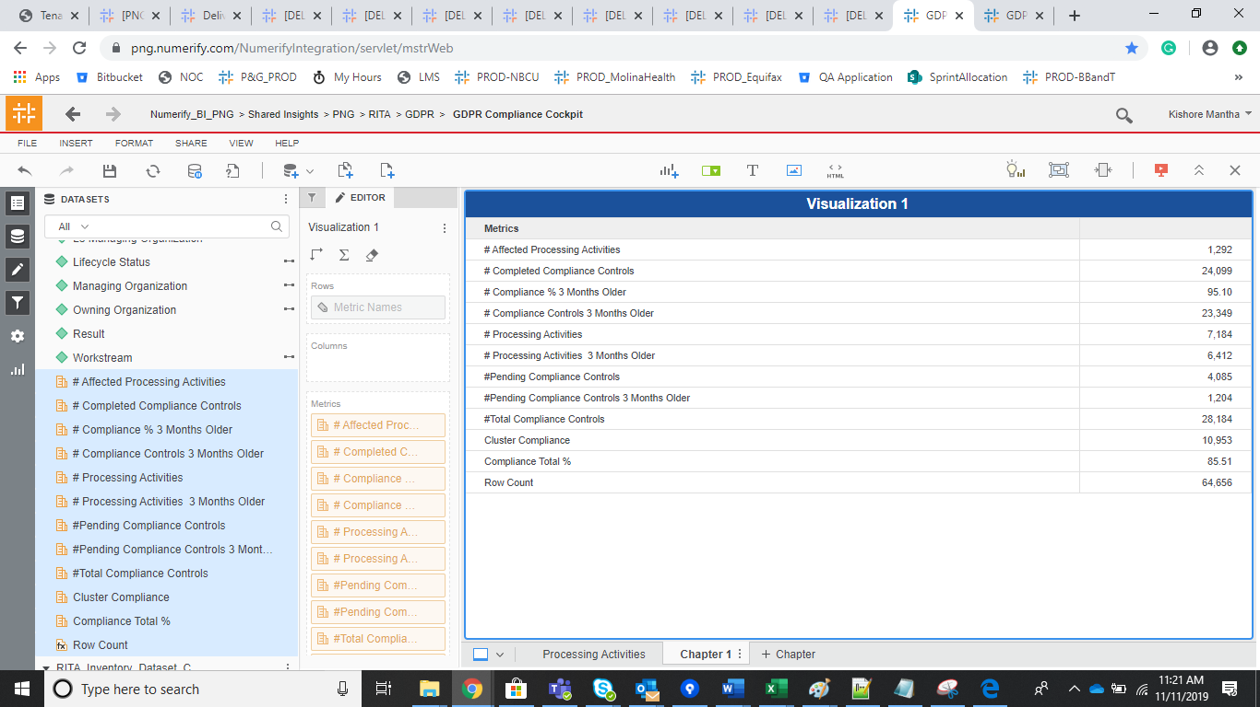
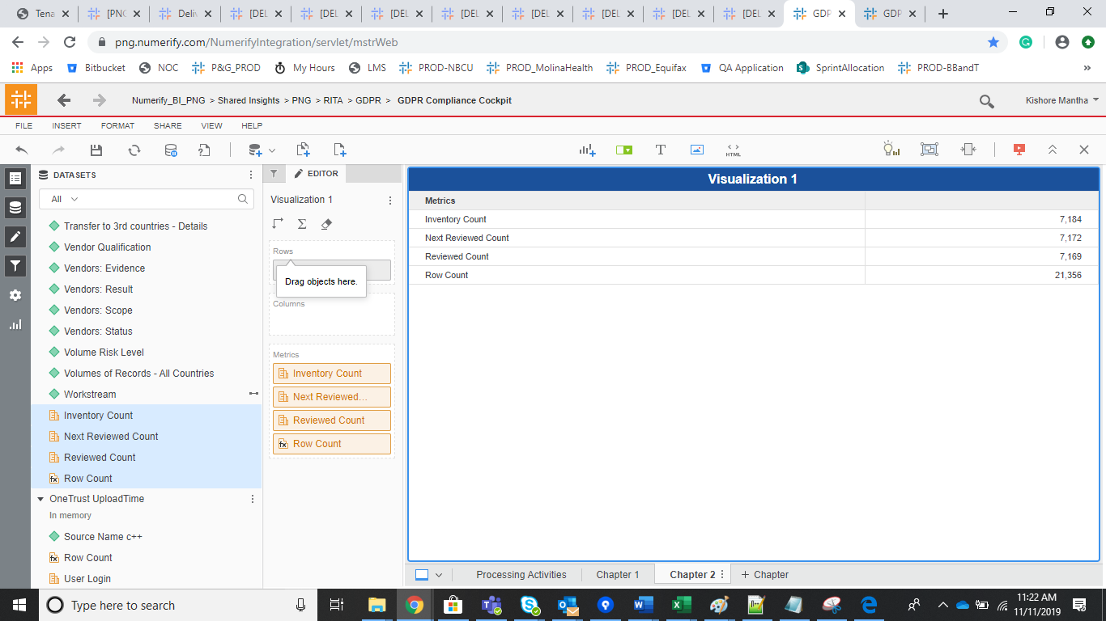

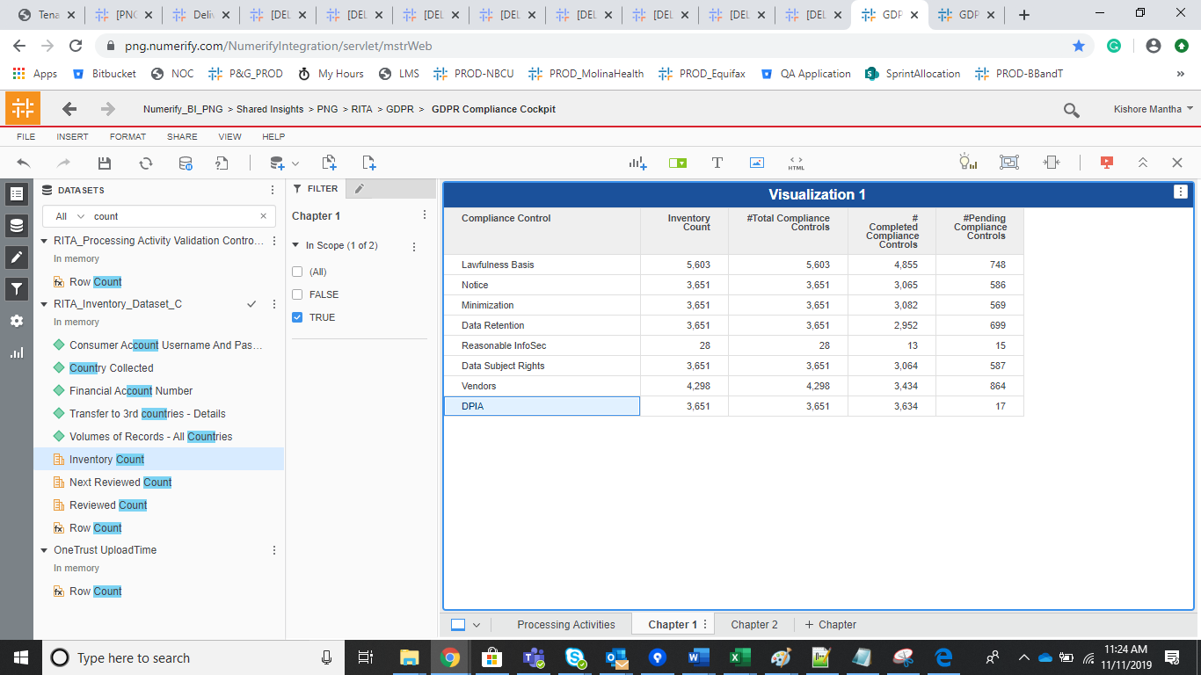

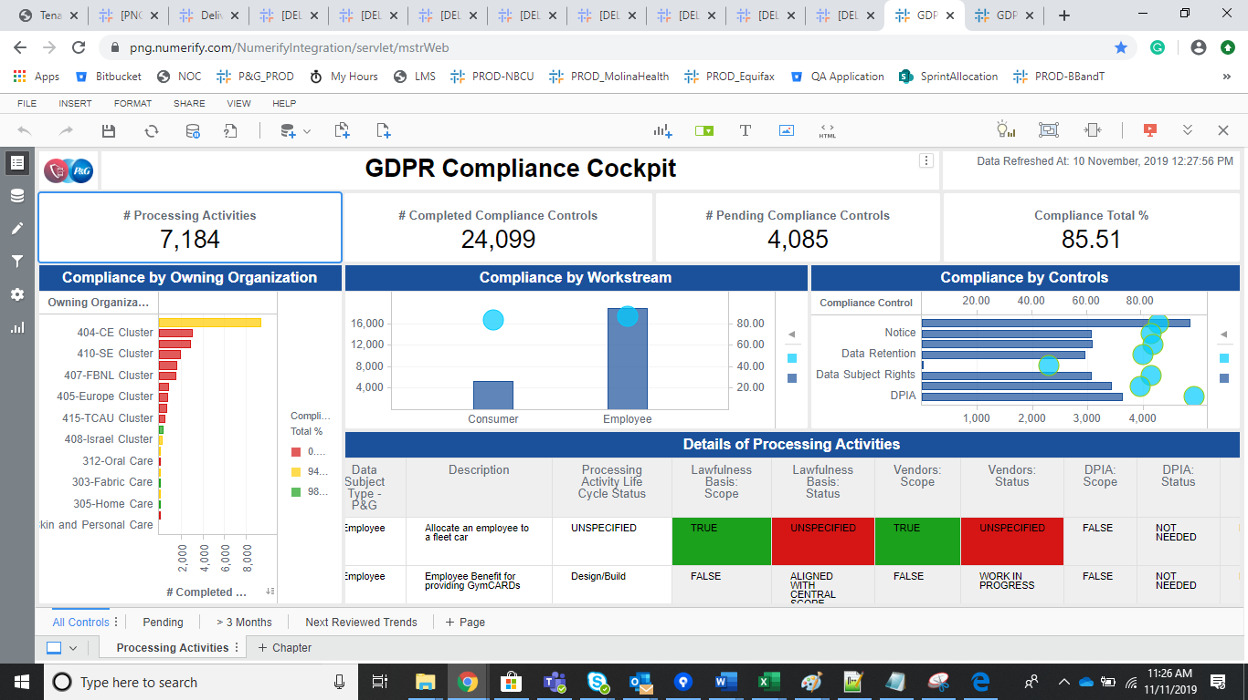
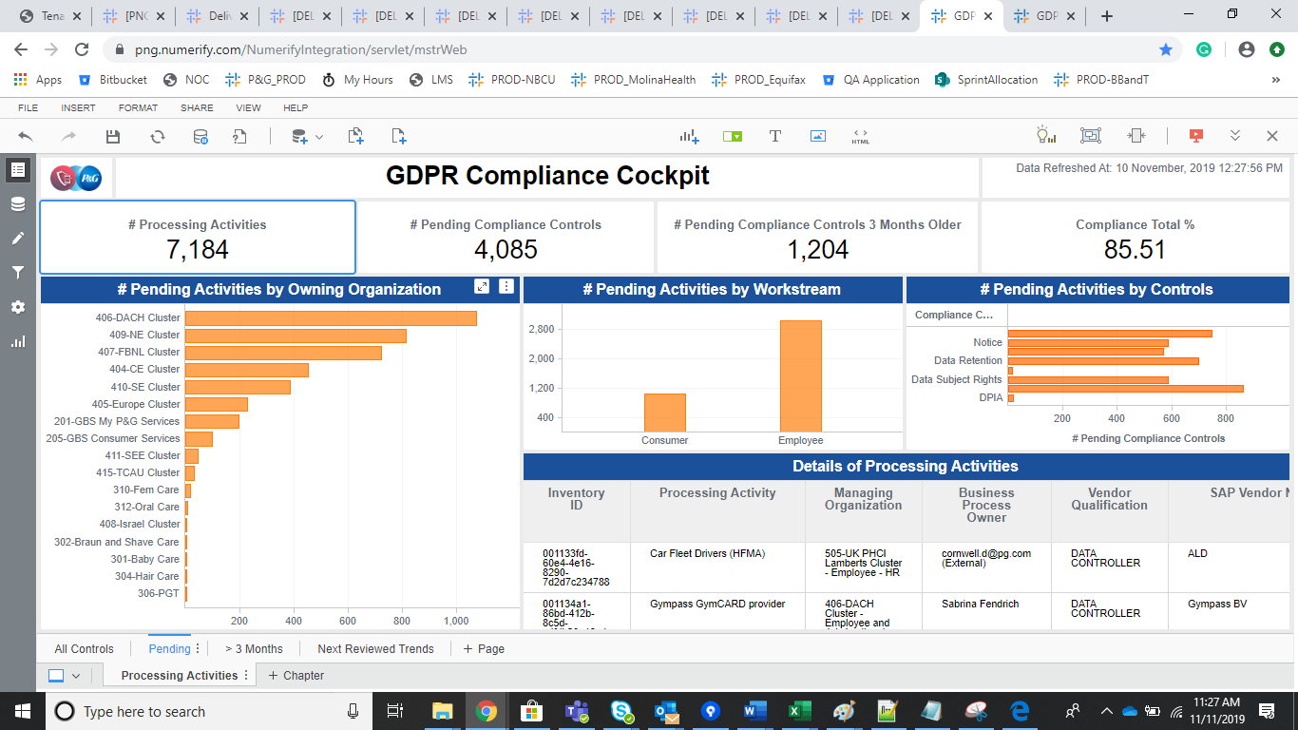

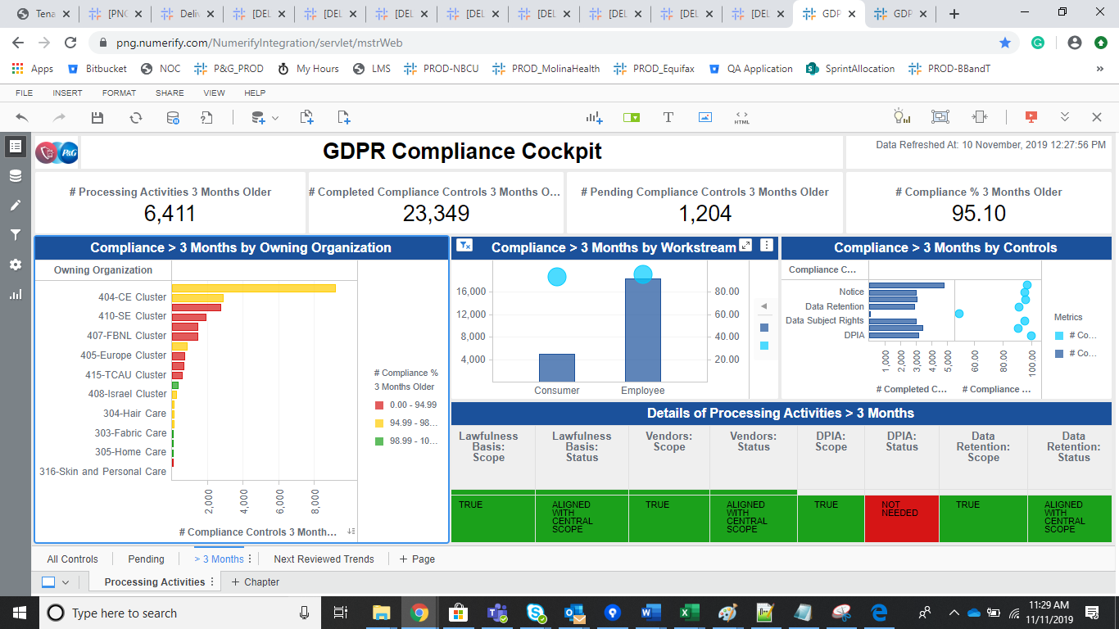
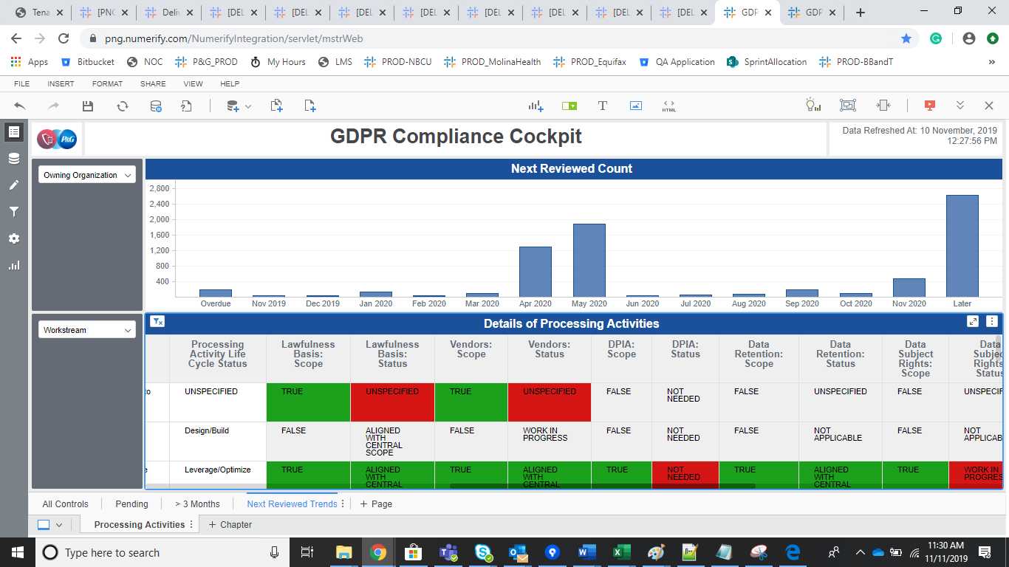

Split View

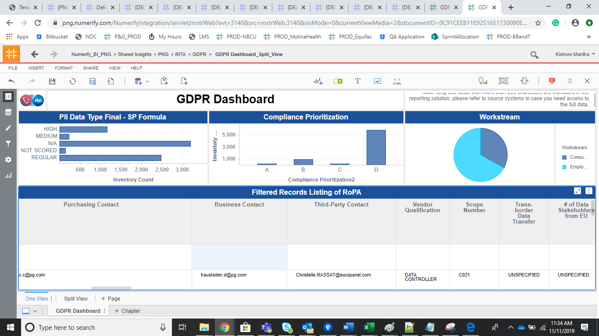
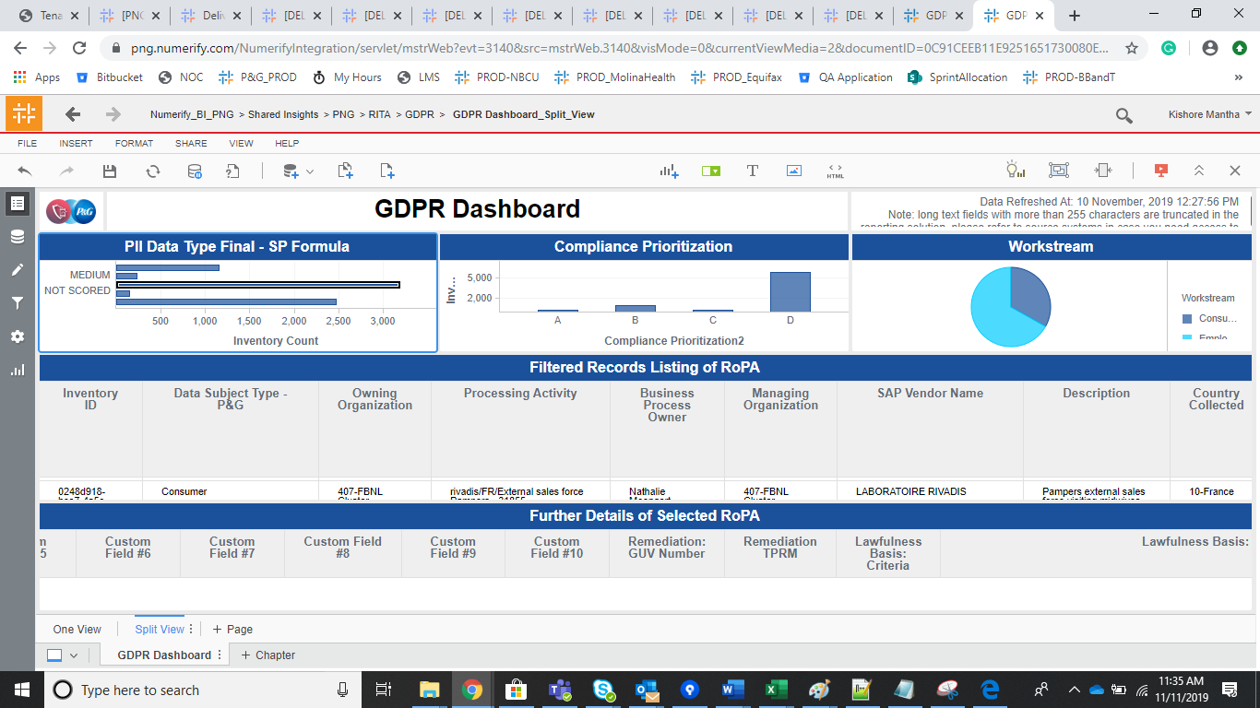

GBS

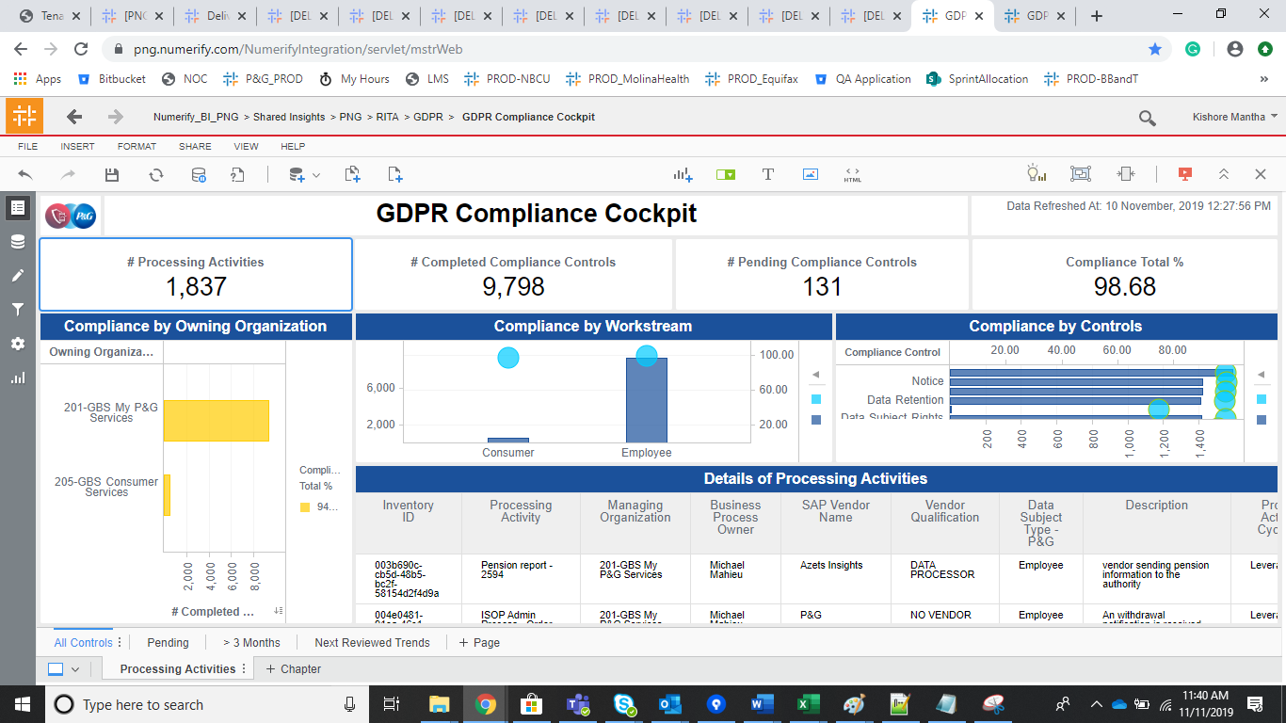

DELV-19761 | CR 386

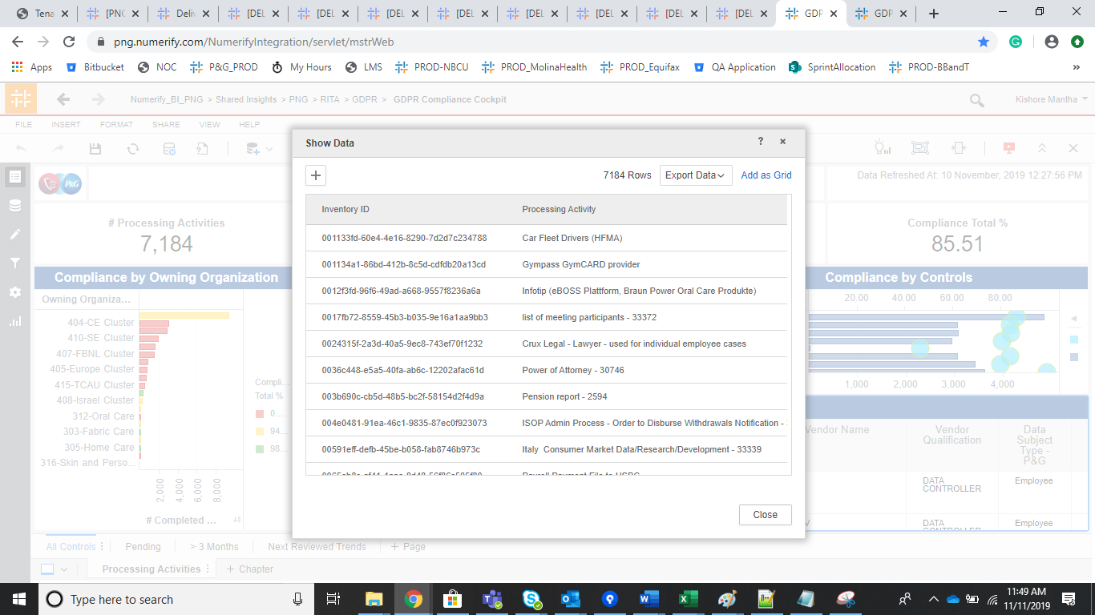
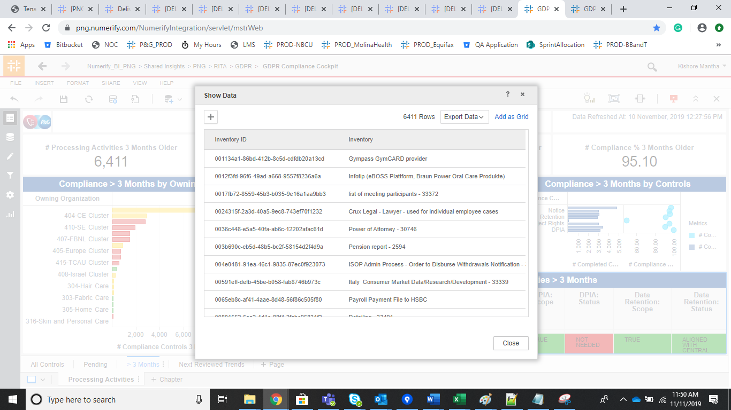

Regression

CCPA Compliance Cockpit |  |  | ITAM_Application Governance_c

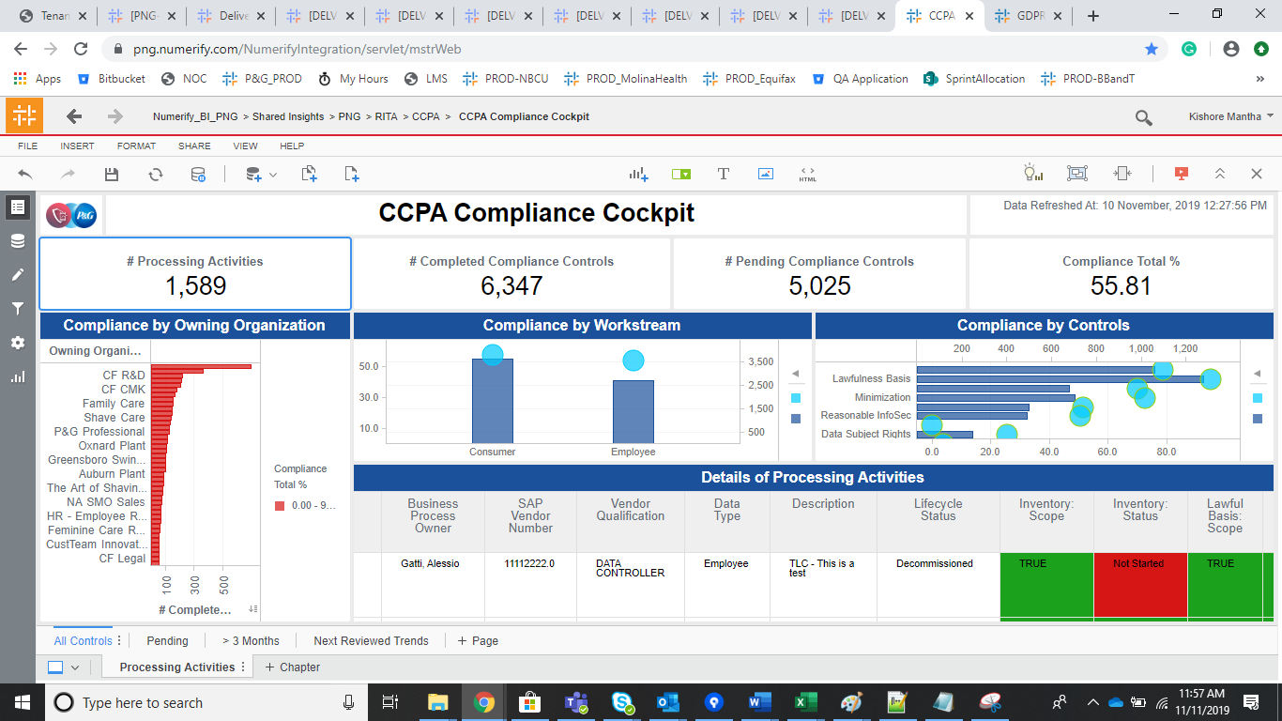
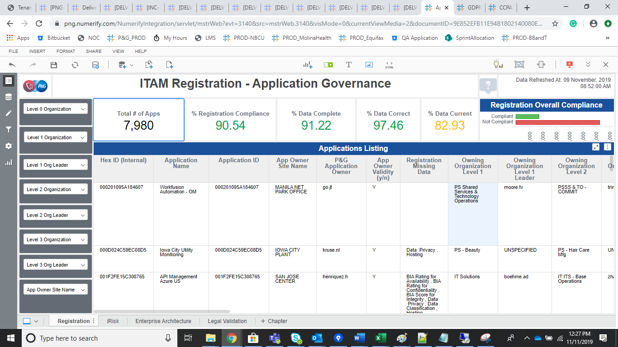

Hardware Governance

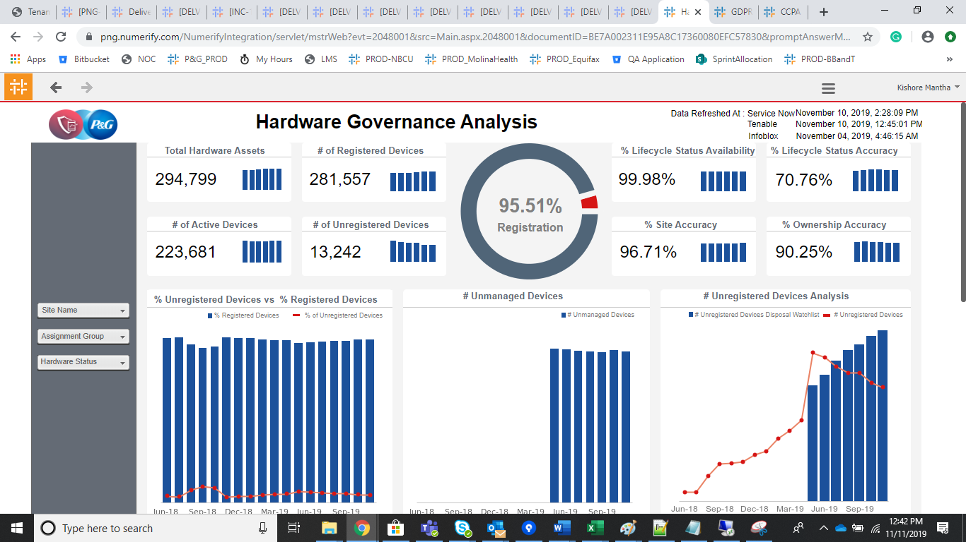

GDPR Application Tracker |  |  | GDPR Application Infosec privacy Complaince

